Sorting and Filtering SS
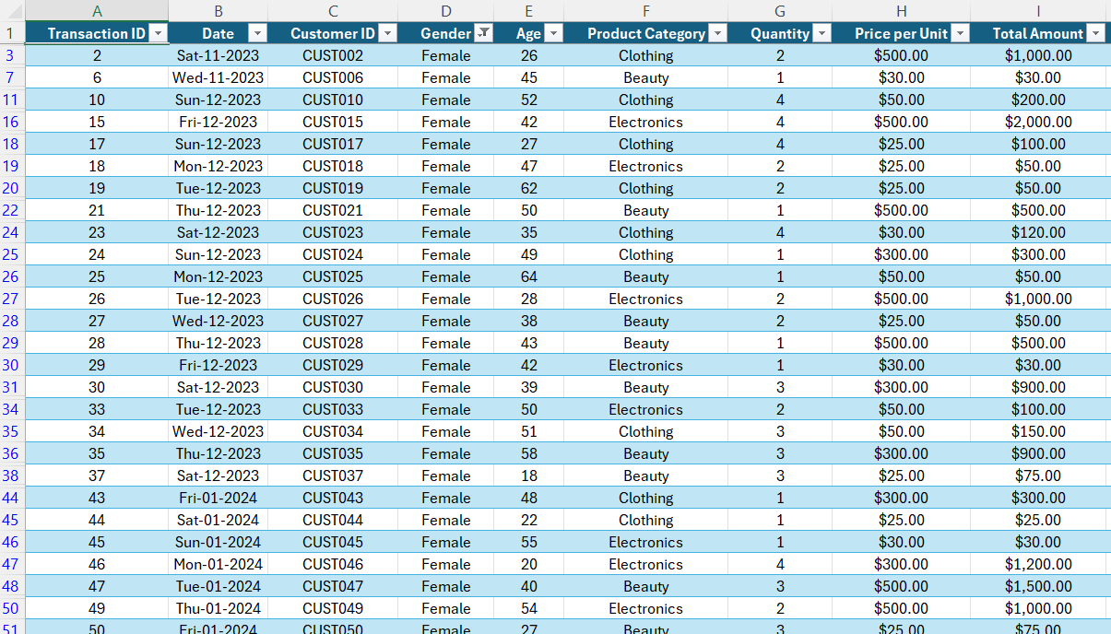
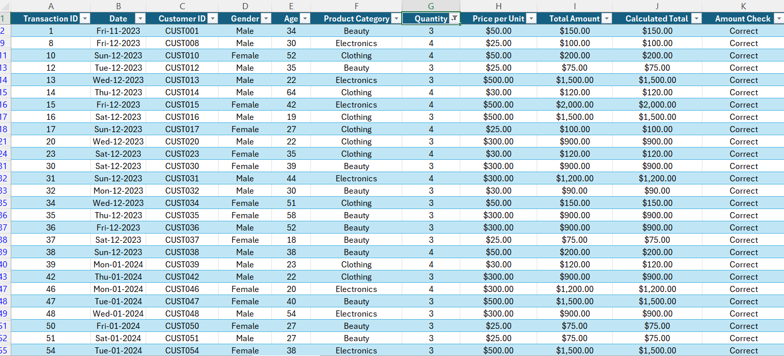
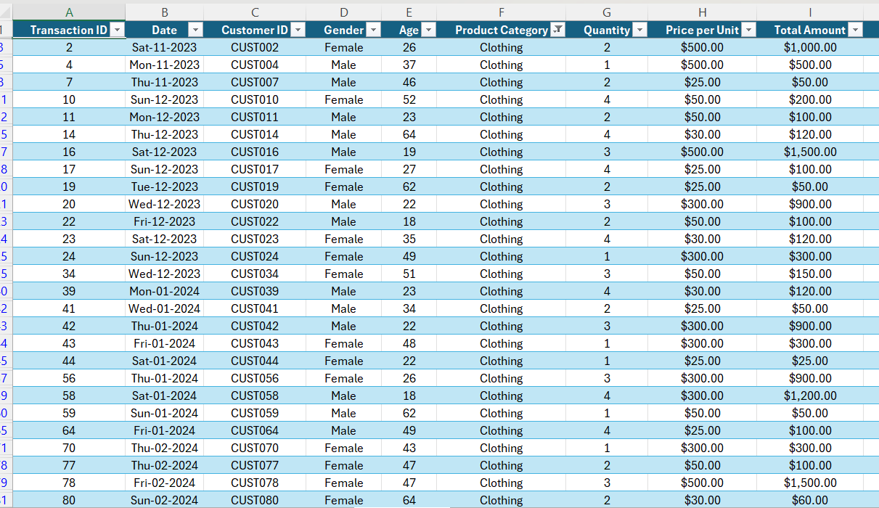
Transactions where Quantity is greater than 2. |  | Transactions where Product Category is Clothing.

 | Transactions where Gender is Female.

Charts
Total Sales by Product Category
 | Total
Beauty | $143,515.00
Clothing | $155,580.00
Electronics | $156,905.00
Total Quantity Sold by Product Category
 | Total
Beauty | 771
Clothing | 894
Electronics | 849

Total Sales by Gender
 | Total
Female | 232840
Male | 223160

